Count Drop Validation
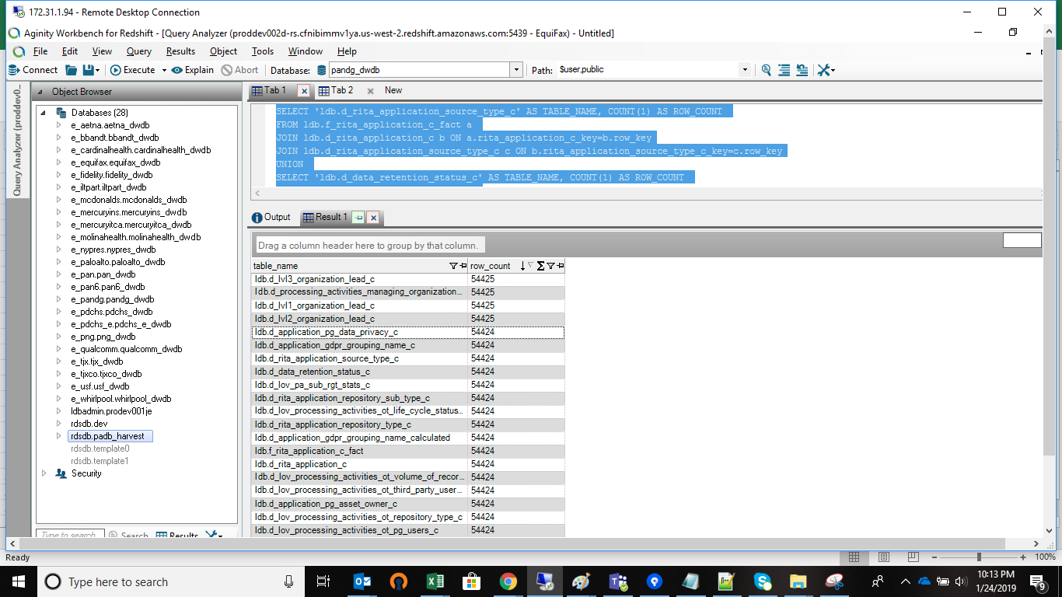
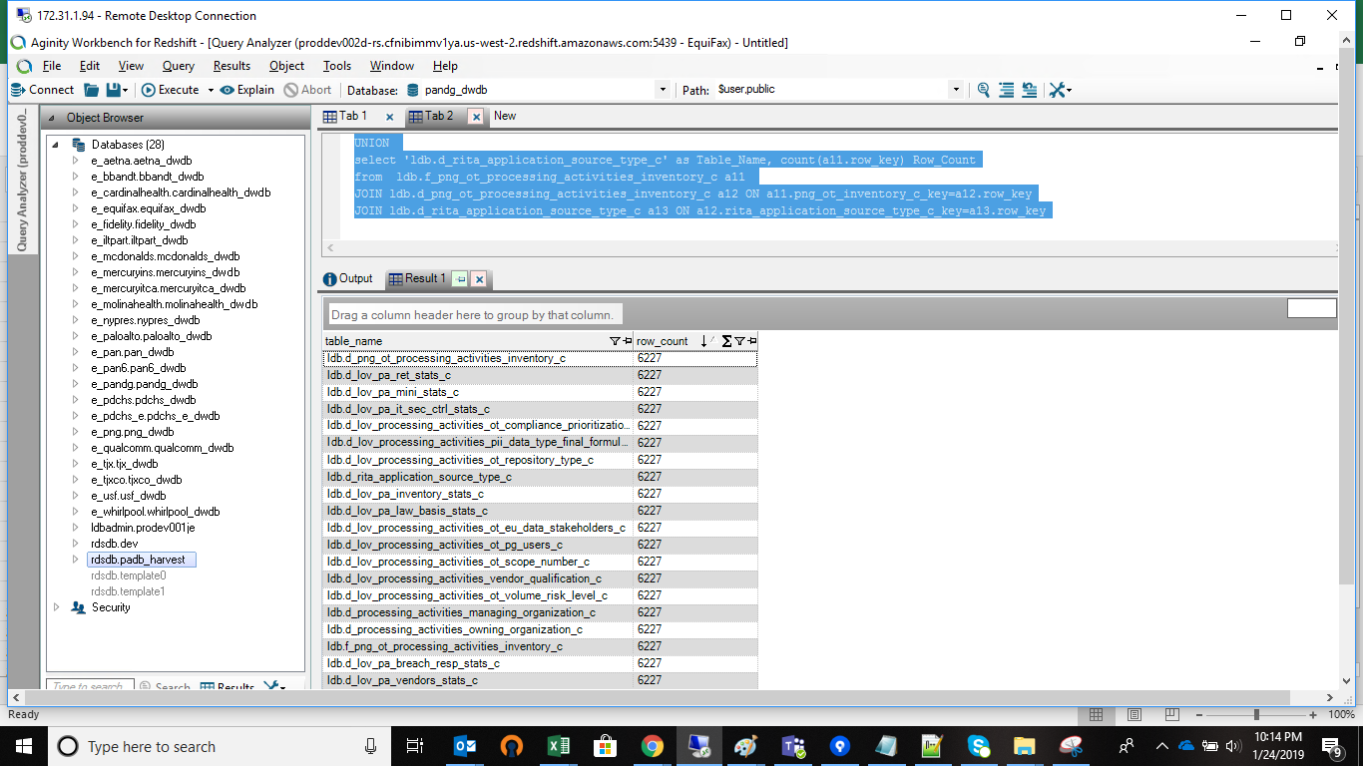
RITA_Application_C | RITA_Inventory_c

RITA_Application_c
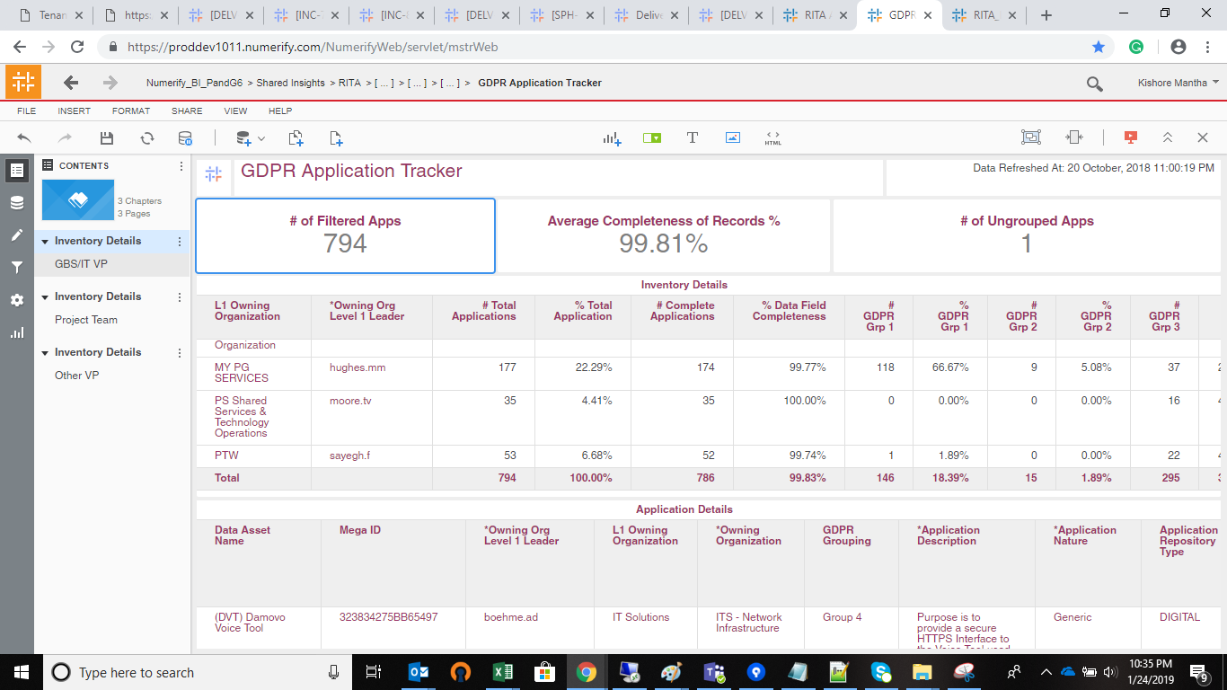
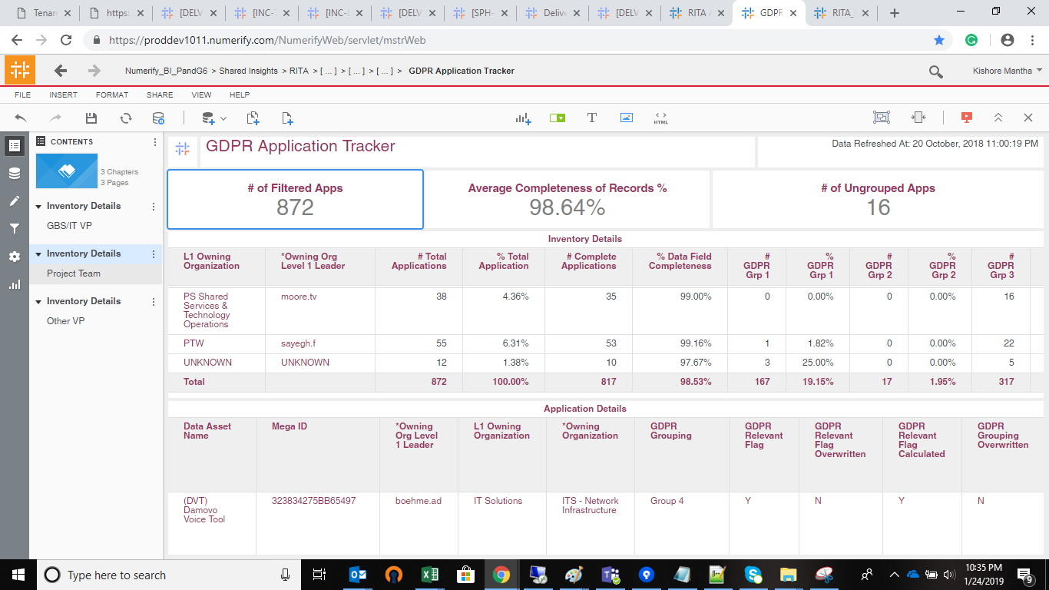

 | Ease Hyperlink |  |  |  | Navigation on Ese Hypelink
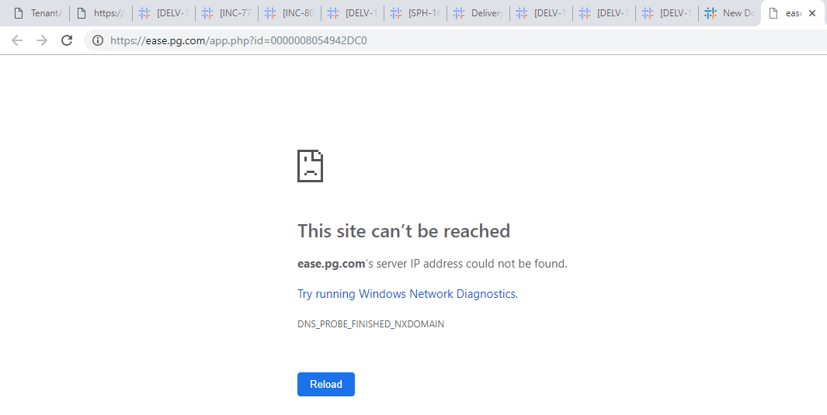
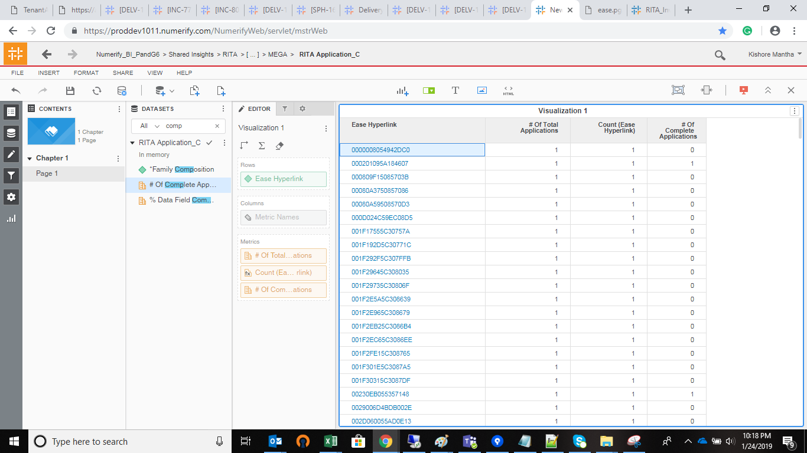

 | Relevant Flag |  |  | Cube

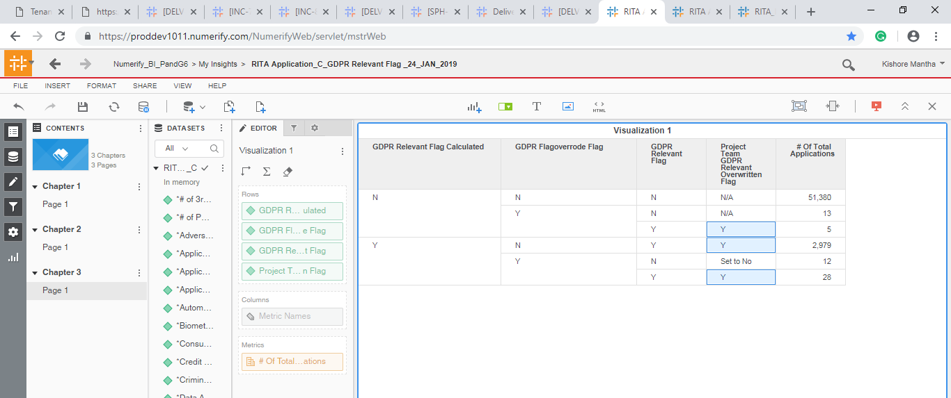
calculated flag | gdpr overrode flag | gdpr relevant flag | gdpr_rel_cal_overwritten
Y | yes | Y | Y
Y | yes | N | Set to No
Y | no | Y | Y
N | yes | N | N/A
N | yes | Y | Y
N | no | N | N/A

RITA_Inentory
